AWHPT 4 MR
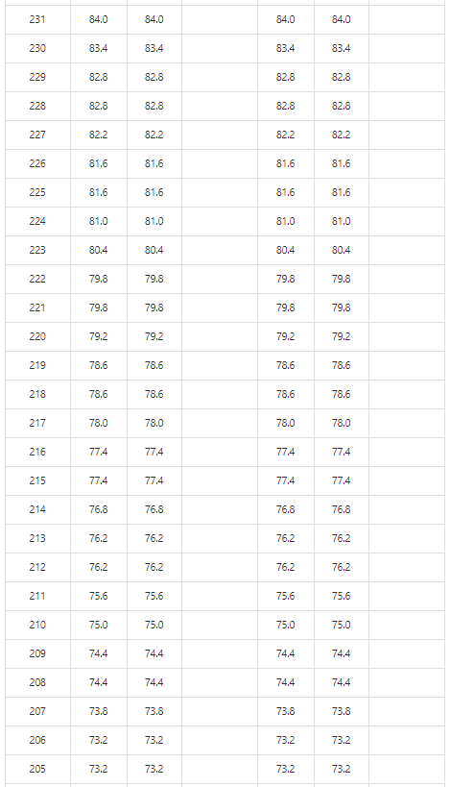
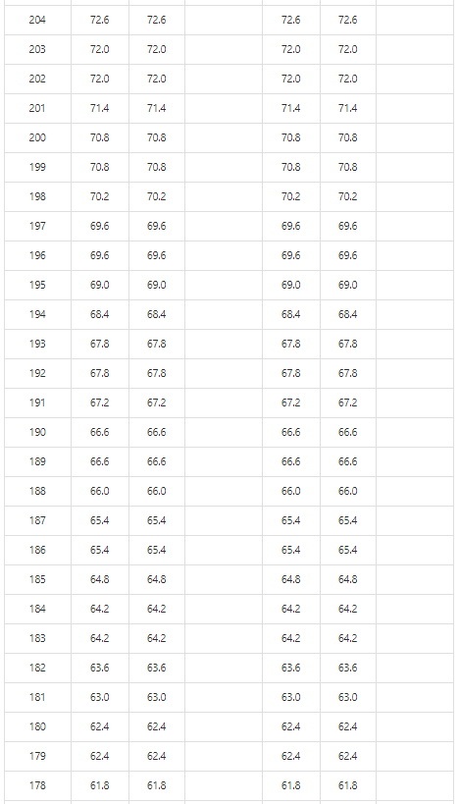
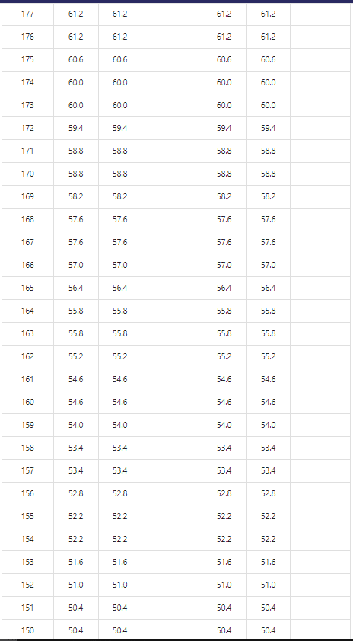
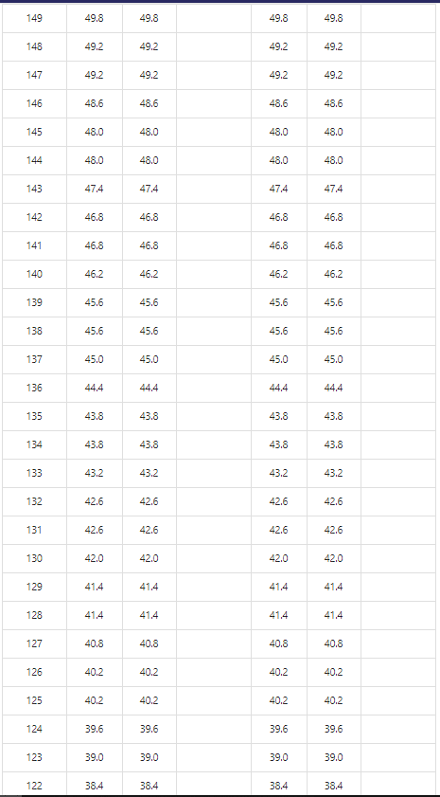
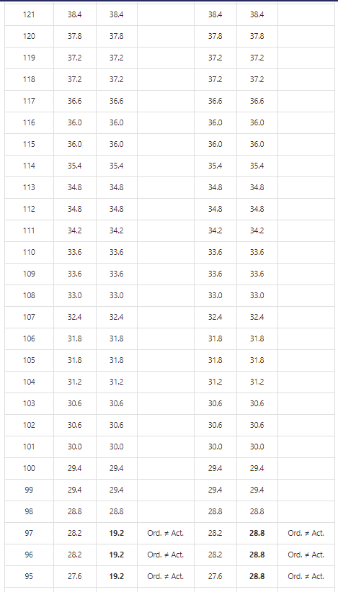
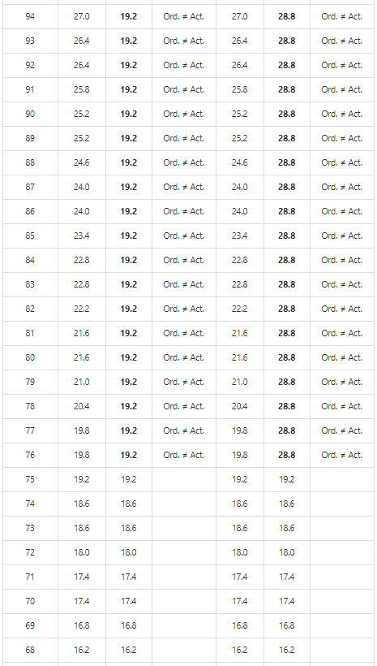
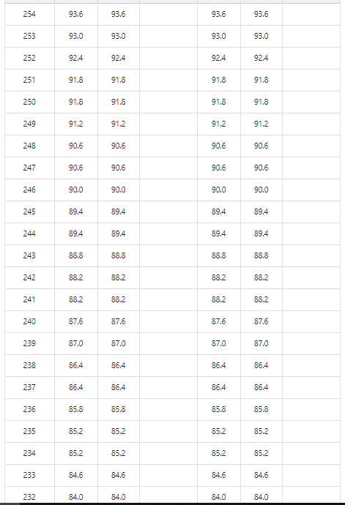
1: Ordered | 1: Actual | 1: Remarks | 2: Ordered | 2: Actual | 2: Remarks
 |  |  |  |  |  | Test 1: Starting from 64 and increasing until 254
 |  |  |  |  |  | Test 2: Step by step, starting from 254 and lowering until 64 steps

 |  |  |  |  |  | Conclusion
 |  |  |  |  |  | There is a "dead band" between setpoints 76 & 97 (including). The resulting frequency is determined by the setpoint it was running on before reaching the dead band. If it was 98 or higher, the frequency in the dead band is 28.8, if it was 75 or lower, the frequency will be 19.2.
 |  |  |  |  |  | We have determined earlier that it is undesirable to have a frequency lower than 30.0 Hz due to the compressor envelop. This would result in a setpoint bandwidth of 101 (30.0 Hz) to 254 (93.6 Hz).
 |  |  |  |  |  | Filling in a setpoint lower than 63 results in the outdoor unit turning off, and giving back a setpoint of 0 (on ModBus register 2).

